Sales & Marketing Analysis


Name |  |  |  | Elevate Education Portal
Meeting Notes |  |  |  | Website Editor
Trainer Console (Platform Back End) |  |  |  | Creator Level

Sales Review
 | Gross Revenue | Number of Sign Ups | Churn Rate (Industry Average: 20%) | Current Number Of Subscribers | Average Revenue Per User | Lifetime Value | Focus For Following Month | Notes
January
February
March
April
May
June
July
August
September
October
November
December

Customer Value Journey Self-Assessment
Awareness | 0
Engagement | 0
Subscribe | 0
Conversion | 0
Excite | 0
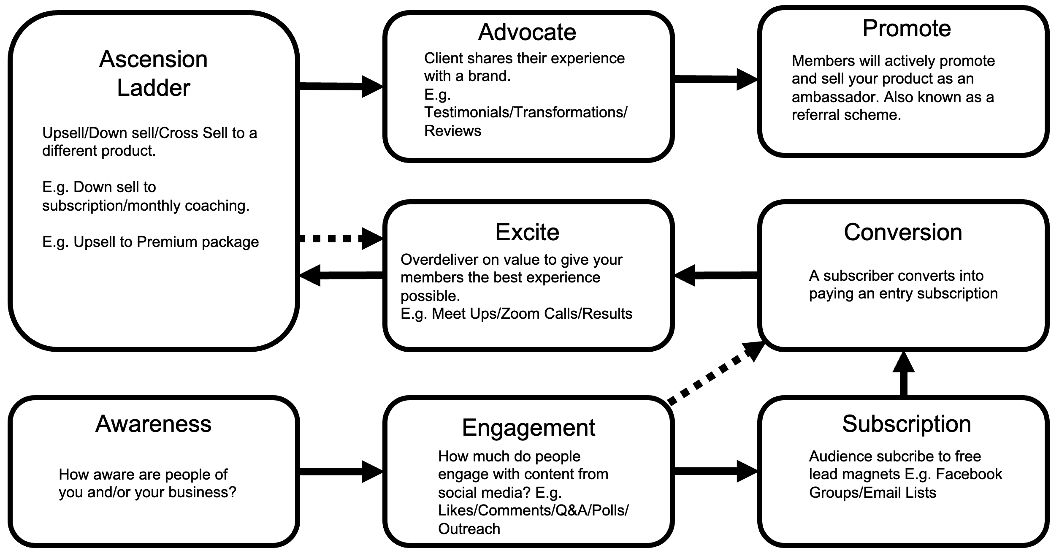
Ascend | 0
Advocate | 0
Promote | 0

